Home
Home
My Library
Thumbs Up
Last Added
Youtube Music
Shazaam
Smart Playlists
Tuna
Upload
Discover
Song Name
Artist
Album
Podcasts
My Playlists

Recent Activity

Smart Playlists

Queue
Home
My Library
Thumbs Up
Last Added
Youtube Music
Shazaam
Smart Playlists
Tuna
Upload
Discover
Song Name
Artist
Album
Podcasts

Library
Listen Now
My Library
Thumbs Up
Last Added
Youtube Music
Shazaam
Smart Playlists
Tuna
Upload
Discover
Song Name
Artist
Album
Podcasts

Upload
Listen Now
My Library
Thumbs Up
Last Added
Youtube Music
Shazaam
Smart Playlists
Tuna
Upload
Discover
Song Name
Artist
Album
Podcasts

Podcasts
Listen Now
My Library
Thumbs Up
Last Added
Youtube Music
Shazaam
Smart Playlists
Tuna
Upload
Discover
Song Name
Artist
Album
Podcasts

Sheet1
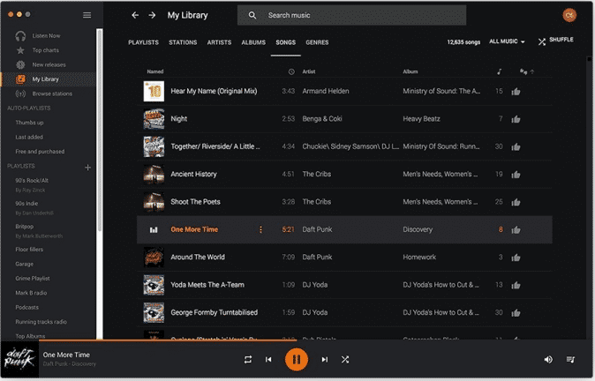
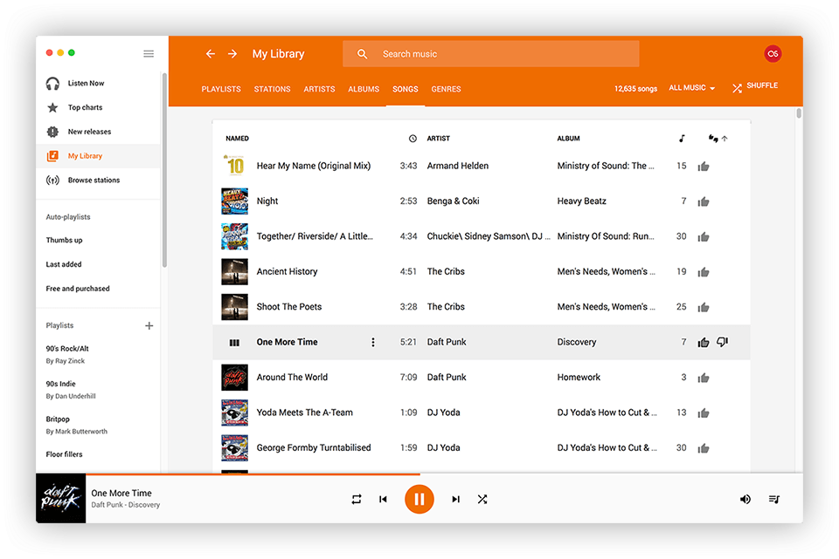
search results

